Performance summary
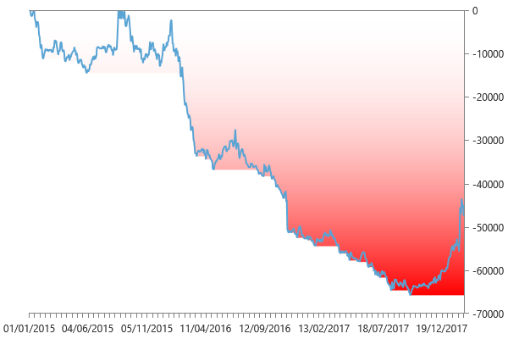
Performance summary

Main chart: E-mini S&P 30 minute bars [01/01/2015 - 18/02/2018]

Net P&L | -39175.00 $
Gross P&L | -39175.00 $
Profit factor | 0.84654556138
Sharpe ratio | -0.86406741044
Slippage per side | 0
Commission per side | 0.00 $
Annual ROI | -5.12 %
Mathematical expectation | -58.55754858

Session analysis
Analyzed sessions | 822
Sessions in market | 804
Winning sessions | 367
Winning sessions profit | 216112.50 $
Winning sessions average | 588.86 $
Losing sessions | 437
Losing sessions profit | -255287.50 $
Losing sessions average | -584.18 $
Worst drawdown | -65762.50 $ | 27/09/2017
Best session | 6837.50 $ | 05/02/2018
Worst session | -6712.50 $ | 09/11/2016

P&L Chart
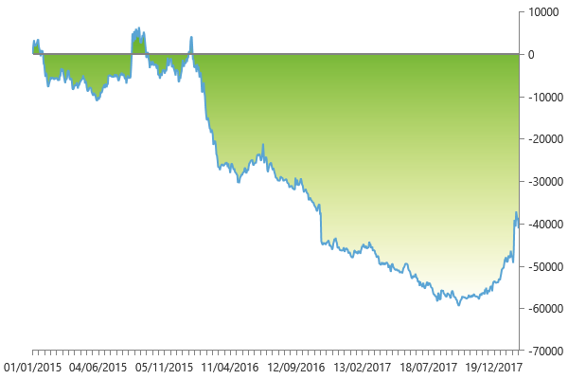

Scatter plot
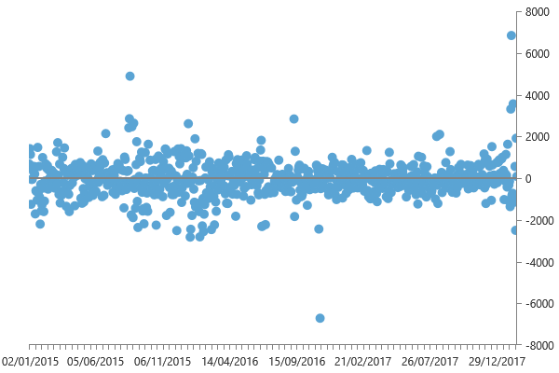

Maximum drawdown

